1.5C rating data
1.5°C rating methodology data

The Climate Action Tracker rates the targets of international shipping and international aviation against whether they are consistent with the Paris Agreement 1.5°C temperature limit.

For more details, please visit the 1.5°C rating section of the sector assessment pages on our website.

Values in the table below are in MtCO2.

Please reference as: Climate Action Tracker (2022), International Shipping/Aviation Assessment - September 2022 Release -http://climateactiontracker.org

Copyright © 2024 Climate Action Tracker by Climate Analytics and NewClimate Institute. All rights reserved. The content provided by this website is protected by copyright. You are authorised to view, download, print and distribute
the copyrighted content from this website subject to the following condition: Any reproduction, in full or in part, must credit Climate Analytics and NewClimate Institute and must include a copyright notice.

Sector: | International aviation
Last updated: | 2024-10-23

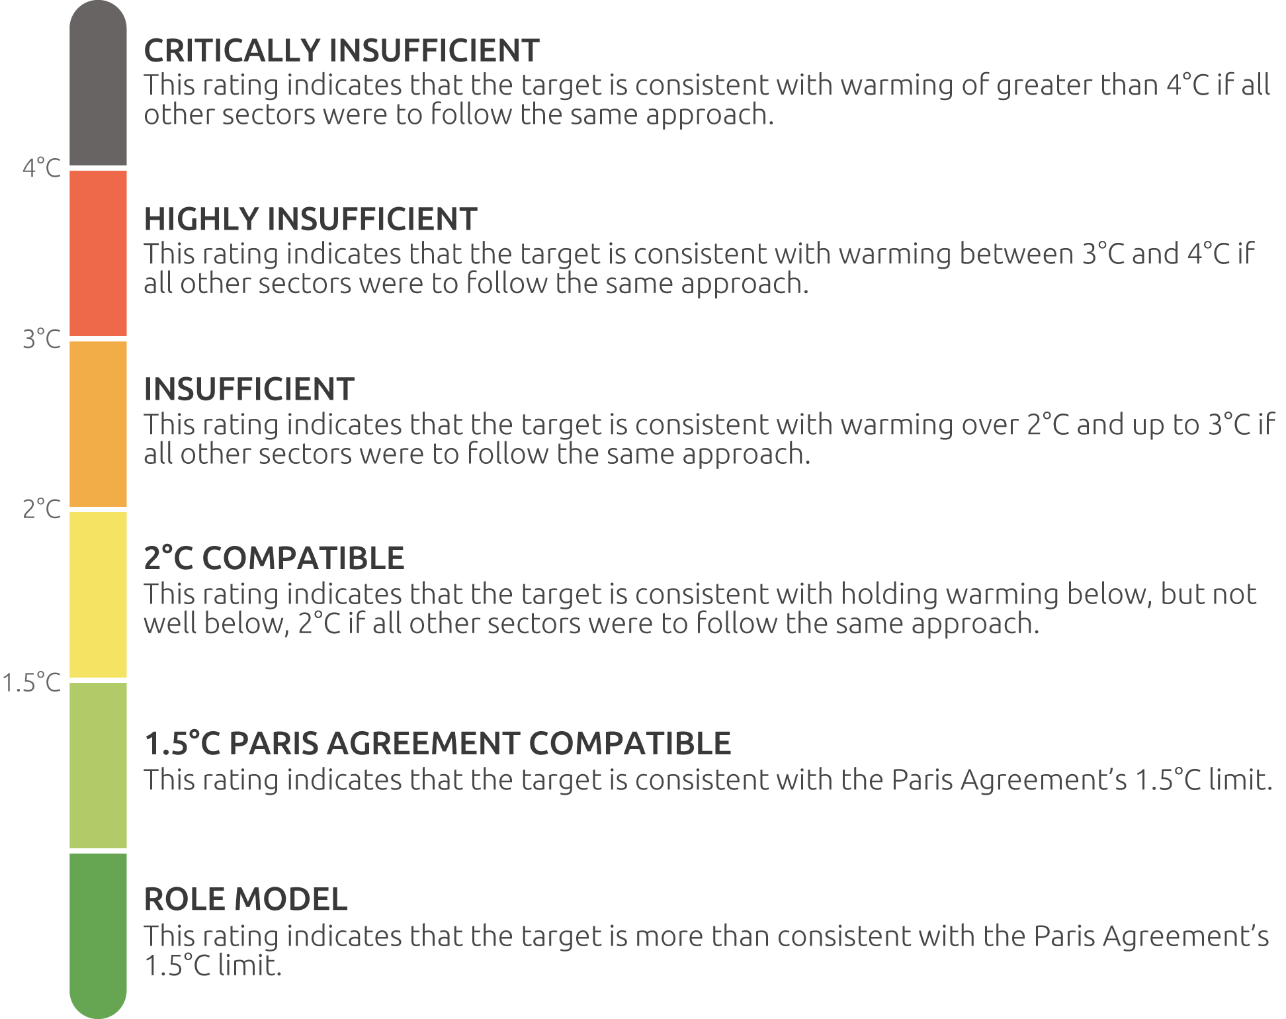
 |  | Upper end of | 2030 | 2040 | 2050
 |  | Critically insufficient (end of graph) | 1,500 | 1,500 | 1,500
 |  | Highly insufficient | 713 | 783 | 846
 |  | Insufficient | 567 | 453 | 346
 |  | 2°C compatible | 500 | 330 | 217
 |  | 1.5°C compatible | 353 | 189 | 66.000

