TempHistory-ProgressSinceParis
COP29 Briefing: Progress Since Paris - History of CAT Global Warming Projections
CAT temperature assessments throughout the years** (Updated: November 2025) |  |  |  |  |  |  |  |  |  |  |  |  |  |  |  |  |  | climateactiontracker.org

Climate Action Tracker: The CAT Thermometer
Unit: | °C about pre-industrial levels
Date Published: | 13-Nov-2025
Further information: | https://climateactiontracker.org

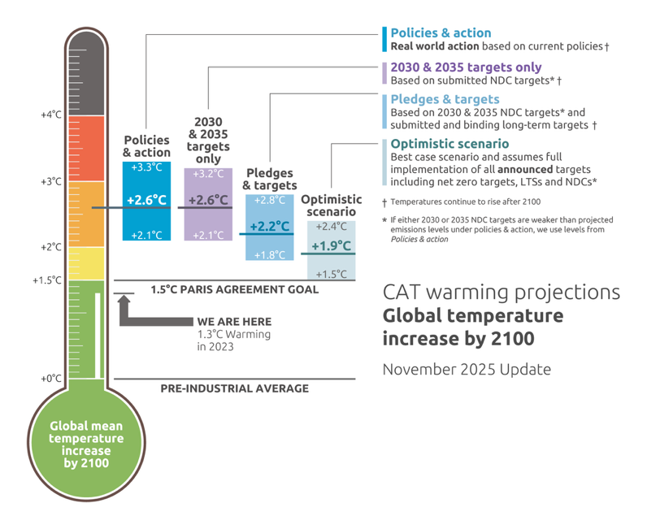
 | Global temperature increase in 2100 (°C ) | 2009 | 2010 | 2011 | 2012 | 2013 | 2014 | 2015 | 2016 | 2017 | 2018 | 2019 | 2020 | 2021 | 2022 | 2023 | 2024 | 2025
Policies and action (Combined) Real world action based on current policies | Upper bound |  |  |  |  | 4.6 | 5.2 | 4.9 | 4.9 | 4.7 | 4.4 | 4.1 | 3.9 | 3.6 | 3.4 | 3.4 | 3.4 | 3.3
 | Median |  |  |  |  | 3.7 | 3.9 | 3.6 | 3.6 | 3.4 | 3.3 | 3.0 | 2.9 | 2.7 | 2.7 | 2.7 | 2.7 | 2.6
 | Lower bound |  |  |  |  | 3.0 | 2.9 | 2.7 | 2.6 | 2.5 | 2.5 | 2.3 | 2.1 | 2.0 | 2.2 | 2.2 | 2.2 | 2.1
2030 & 2035 targets only Full implementation of 2030 NDC targets* | Upper bound |  |  |  |  |  |  |  |  |  |  |  |  | 3.0 | 2.9 | 3.0 | 3.2 | 3.2
 | Median |  |  |  |  |  |  |  |  |  |  |  |  | 2.4 | 2.4 | 2.5 | 2.6 | 2.6
 | Lower bound |  |  |  |  |  |  |  |  |  |  |  |  | 1.9 | 1.9 | 2.0 | 2.1 | 2.1
Pledges and Targets Full implementation of 2030 targets and binding net zero targets | Upper bound | 4.3 | 4.0 | 4.4 | 4.4 | 3.9 | 3.8 | 3.4 | 3.5 | 4.0 | 3.8 | 3.5 | 3.3 | 2.6 | 2.5 | 2.6 | 2.7 | 2.8
 | Median | 3.5 | 3.2 | 3.5 | 3.5 | 3.1 | 3.1 | 2.7 | 2.8 | 3.2 | 3.0 | 2.8 | 2.6 | 2.1 | 2.0 | 2.1 | 2.1 | 2.2
 | Lower bound | 2.8 | 2.6 | 2.9 | 2.9 | 2.5 | 2.5 | 2.2 | 2.3 | 2.6 | 2.4 | 2.3 | 2.1 | 1.7 | 1.6 | 1.7 | 1.7 | 1.8
Optimistic scenario (net-zero targets) Best case scenario and assumes full implementation of all announced net zero targets | Upper bound |  |  |  |  |  |  |  |  |  |  |  | 2.7 | 2.4 | 2.3 | 2.3 | 2.4 | 2.4
 | Median |  |  |  |  |  |  |  |  |  |  |  | 2.1 | 1.8 | 1.8 | 1.8 | 1.9 | 1.9
 | Lower bound |  |  |  |  |  |  |  |  |  |  |  | 1.7 | 1.5 | 1.5 | 1.5 | 1.5 | 1.5

Changes on Timeseries graph |  |  |  |  |  | Start Series | Start Year | Start value | End Value | End Year | End Series |  | Progress made
Effect of implemented policies |  | -1.0 | °C |  |  | Policies & action | 2015 | 3.6 | 2.6 | 2025 | Policies & action |  | -1.0 | °C
Effect of long-term targets |  | -0.4 | °C |  |  | 2030 targets only | 2025 | 2.6 | 2.2 | 2025 | Pledges & targets |  | -0.4 | °C
Effect of additional net zero announcements |  | -0.3 | °C |  |  | Pledges & targets | 2025 | 2.2 | 1.9 | 2025 | Optimistic scenario |  | -0.3 | °C
Effect of all Paris pledges & targets |  | -1.3 | °C |  |  | Pledges & targets | 2009 | 3.5 | 2.2 | 2025 | Pledges & targets |  | -1.3 | °C
Effect of Paris 2030 & 2035 targets only |  | -0.9 | °C |  |  | Pledges & targets | 2009 | 3.5 | 2.6 | 2025 | 2030 & 2035 targets only |  | -0.9 | °C
Effect of all Paris pledges & targets + announcements |  | -1.6 | °C |  |  | Pledges & targets | 2009 | 3.5 | 1.9 | 2025 | Optimistic scenario |  | -1.6 | °C

Copyright © 2025 by Climate Analytics and NewClimate Institute. All rights reserved.

* If 2030 NDC targets are weaker than projected emissions levels under policies & action, we use levels from policies & action
** The Climate Action Tracker is continuously updating and refining its methodology. As a result, the temperature estimates in this figure cannot solely be attributed to target improvements or real-world action; however, the figure does show the overall progression of our estimates.

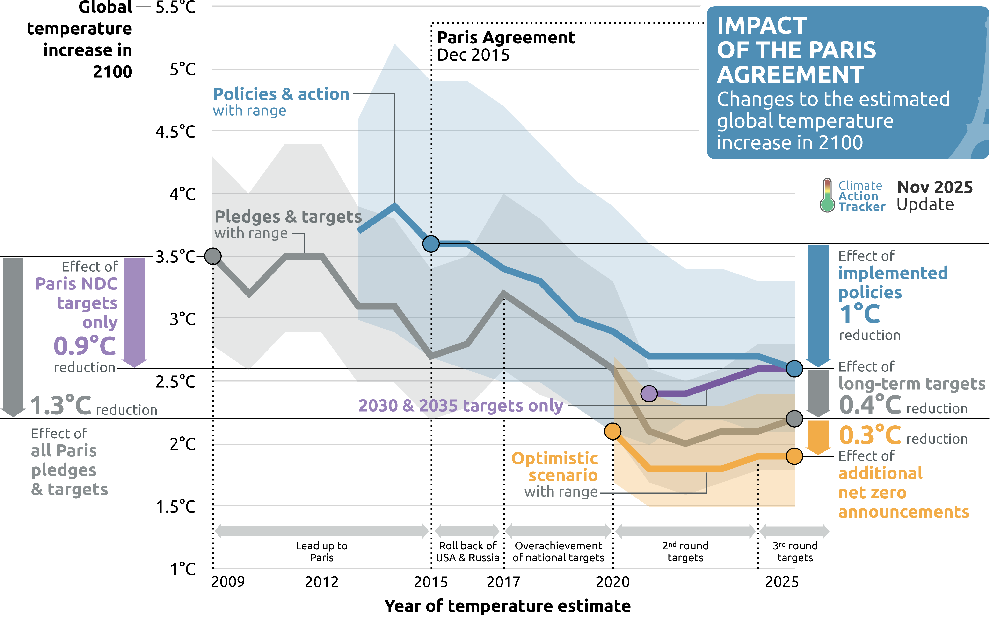
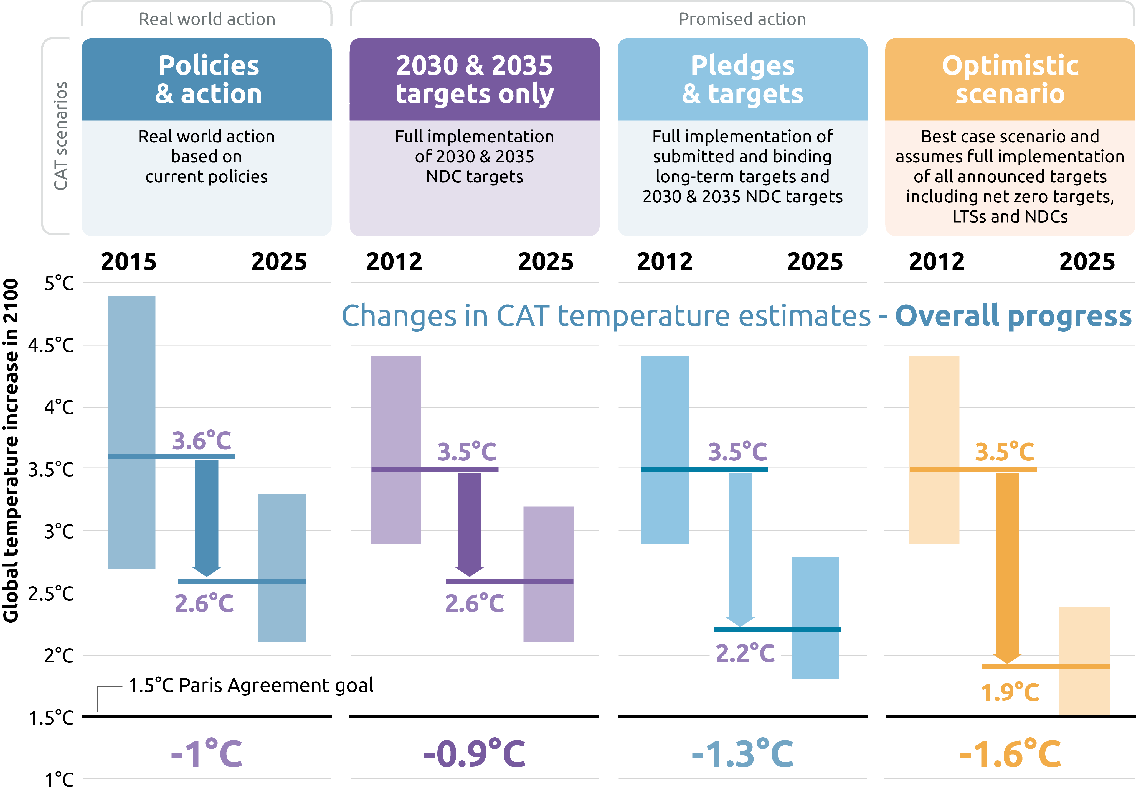
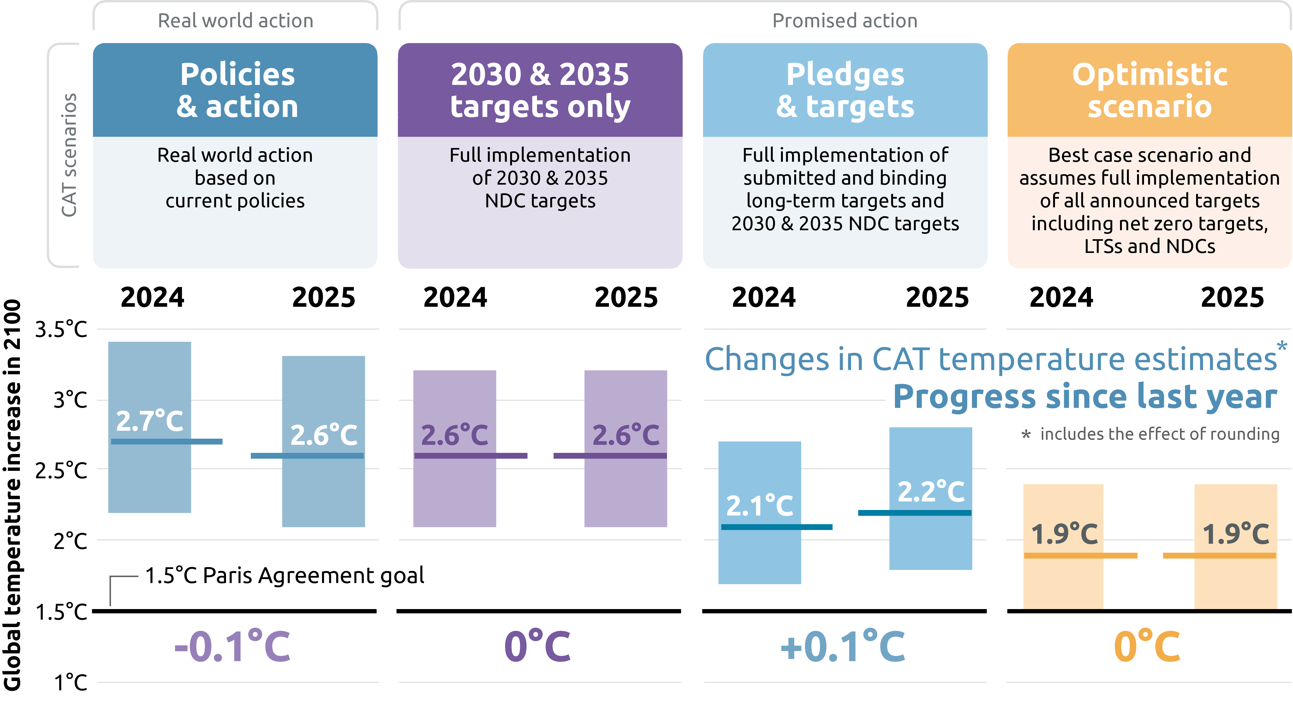

History-ByScenario-Narrative
Climate Action Tracker: History of global emissions time series

Date Published: |  |  |  |  |  |  |  | Unit: GtCO2e
13-Nov-2025 |  |  |  |  |  |  |  | Note: We include the unrounded values to assist with the preparation of graphics, however if you are reproducing the numerical values, please adhere to the displayed rounded values in the tables.
Further information: |  |  |  |  |  |  |  | The content provided by this data file is protected by copyright. You are authorised to view, download, print and distribute the copyrighted content from this data file subject to the following condition: Any reproduction, in full or in part, must credit Climate Analytics and NewClimate Institute, include a copyright notice and must not be used for commerical purposes.
https://climateactiontracker.org/methodology/

Copyright © 2025 by Climate Analytics and NewClimate Institute. All rights reserved.

The impact of Paris on real world action |  | GtCO2e | 1990 | 1991 | 1992 | 1993 | 1994 | 1995 | 1996 | 1997 | 1998 | 1999 | 2000 | 2001 | 2002 | 2003 | 2004 | 2005 | 2006 | 2007 | 2008 | 2009 | 2010 | 2011 | 2012 | 2013 | 2014 | 2015 | 2016 | 2017 | 2018 | 2019 | 2020 | 2021 | 2022 | 2023 | 2024 | 2025 | 2026 | 2027 | 2028 | 2029 | 2030 | 2031 | 2032 | 2033 | 2034 | 2035 | 2036 | 2037 | 2038 | 2039 | 2040 | 2041 | 2042 | 2043 | 2044 | 2045 | 2046 | 2047 | 2048 | 2049 | 2050 | 2051 | 2052 | 2053 | 2054 | 2055 | 2056 | 2057 | 2058 | 2059 | 2060 | 2061 | 2062 | 2063 | 2064 | 2065 | 2066 | 2067 | 2068 | 2069 | 2070 | 2071 | 2072 | 2073 | 2074 | 2075 | 2076 | 2077 | 2078 | 2079 | 2080 | 2081 | 2082 | 2083 | 2084 | 2085 | 2086 | 2087 | 2088 | 2089 | 2090 | 2091 | 2092 | 2093 | 2094 | 2095 | 2096 | 2097 | 2098 | 2099 | 2100
Historical | 2025 |  | 37.6 | 38.6 | 38.2 | 37.9 | 37.9 | 38.6 | 39.5 | 42.4 | 40.1 | 39.8 | 41.8 | 41.6 | 41.9 | 43.2 | 44.2 | 45.1 | 46.3 | 47.2 | 47.9 | 47.4 | 49.1 | 50.6 | 51.1 | 51.5 | 51.8 | 52.2 | 52.5 | 53.4 | 54.2 | 54.2 | 52.0 | 54.1 | 54.8 | 55.5
Policies & action | 2015 | High |  |  |  |  |  |  |  |  |  |  |  |  |  |  |  |  |  |  |  |  | 47.3 | 48.3 | 48.5 | 49.1 | 49.6 | 50.1 | 50.8 | 51.4 | 52.0 | 52.7 | 53.3 | 54.1 | 54.8 | 55.6 | 56.4 | 57.2 | 57.9 | 58.7 | 59.5 | 60.3 | 61.1 | 62.1 | 62.9 | 63.8 | 64.7 | 65.6 | 66.3 | 67.1 | 67.8 | 68.5 | 69.2 | 69.8 | 70.6 | 71.3 | 72.2 | 73.0 | 73.7 | 74.4 | 74.9 | 75.5 | 76.2 | 76.7 | 77.0 | 77.3 | 77.8 | 78.6 | 79.1 | 79.7 | 80.0 | 80.2 | 80.3 | 80.4 | 80.8 | 81.2 | 81.5 | 81.8 | 82.2 | 82.7 | 82.9 | 83.0 | 83.1 | 83.3 | 83.5 | 83.6 | 83.8 | 84.1 | 84.5 | 84.7 | 84.8 | 84.8 | 84.9 | 84.8 | 84.7 | 84.6 | 84.4 | 84.3 | 84.3 | 83.8 | 83.7 | 83.5 | 83.4 | 83.4 | 83.4 | 83.5 | 83.5 | 83.4 | 83.4 | 83.7 | 84.0 | 84.5 | 84.8
 | Oct 2015 update | Avg |  |  |  |  |  |  |  |  |  |  |  |  |  |  |  |  |  |  |  |  | 47.3 | 48.3 | 48.5 | 48.9 | 49.4 | 49.9 | 50.4 | 51.0 | 51.5 | 52.1 | 52.6 | 53.3 | 54.0 | 54.6 | 55.3 | 56.0 | 56.7 | 57.4 | 58.1 | 58.8 | 59.5 | 60.3 | 60.9 | 61.5 | 62.2 | 62.9 | 63.4 | 64.1 | 64.6 | 65.3 | 65.8 | 66.4 | 66.9 | 67.6 | 68.2 | 68.7 | 69.3 | 69.7 | 70.0 | 70.4 | 70.8 | 71.0 | 71.0 | 71.2 | 71.5 | 71.9 | 72.2 | 72.6 | 72.9 | 73.0 | 73.1 | 73.1 | 73.3 | 73.5 | 73.6 | 73.6 | 73.9 | 74.1 | 74.3 | 74.3 | 74.4 | 74.5 | 74.5 | 74.5 | 74.5 | 74.5 | 74.5 | 74.4 | 74.4 | 74.2 | 74.1 | 73.9 | 73.6 | 73.4 | 73.1 | 72.9 | 72.9 | 72.5 | 72.5 | 72.4 | 72.2 | 72.2 | 72.2 | 72.5 | 72.4 | 72.2 | 72.1 | 72.1 | 72.0 | 72.1 | 72.1
 |  | Low |  |  |  |  |  |  |  |  |  |  |  |  |  |  |  |  |  |  |  |  | 47.3 | 48.3 | 48.4 | 48.8 | 49.2 | 49.6 | 50.1 | 50.6 | 51.0 | 51.5 | 52.0 | 52.5 | 53.1 | 53.7 | 54.3 | 54.8 | 55.5 | 56.1 | 56.7 | 57.3 | 57.9 | 58.6 | 58.9 | 59.1 | 59.8 | 60.1 | 60.6 | 61.1 | 61.4 | 62.1 | 62.5 | 62.9 | 63.3 | 63.9 | 64.1 | 64.4 | 64.8 | 65.0 | 65.2 | 65.4 | 65.4 | 65.3 | 65.0 | 65.1 | 65.1 | 65.2 | 65.3 | 65.4 | 65.7 | 65.7 | 65.8 | 65.8 | 65.7 | 65.8 | 65.8 | 65.5 | 65.6 | 65.5 | 65.7 | 65.7 | 65.7 | 65.6 | 65.6 | 65.5 | 65.2 | 64.9 | 64.5 | 64.2 | 63.9 | 63.6 | 63.3 | 62.9 | 62.6 | 62.3 | 61.9 | 61.5 | 61.4 | 61.2 | 61.2 | 61.2 | 61.1 | 61.1 | 61.0 | 61.6 | 61.4 | 61.0 | 60.8 | 60.6 | 60.1 | 59.7 | 59.3
Policies & action | 2025 | High |  |  |  |  |  |  |  |  |  |  |  |  |  |  |  |  |  |  |  |  |  |  |  |  |  |  |  |  |  |  |  |  |  | 55.6 | 56.4 | 57.1 | 57.5 | 58.0 | 58.3 | 58.7 | 59.1 | 58.8 | 58.6 | 58.2 | 57.9 | 57.6 | 57.5 | 57.4 | 57.2 | 57.1 | 57.0 | 56.8 | 56.6 | 56.4 | 56.2 | 56.0 | 55.7 | 55.4 | 55.1 | 54.8 | 54.6 | 54.4 | 54.3 | 54.1 | 53.9 | 53.8 | 53.6 | 53.4 | 53.3 | 53.1 | 53.0 | 52.7 | 52.4 | 52.1 | 51.8 | 51.5 | 51.2 | 50.9 | 50.6 | 50.3 | 50.1 | 49.8 | 49.5 | 49.2 | 48.9 | 48.5 | 48.1 | 47.7 | 47.3 | 46.9 | 46.5 | 46.0 | 45.6 | 45.1 | 44.7 | 44.3 | 43.9 | 43.5 | 43.2 | 42.8 | 42.4 | 42.1 | 41.7 | 41.4 | 41.0 | 40.6 | 40.3 | 39.9 | 39.6 | 39.2 | 38.9
 | Nov 2025 update | Avg |  |  |  |  |  |  |  |  |  |  |  |  |  |  |  |  |  |  |  |  |  |  |  |  |  |  |  |  |  |  |  |  |  | 55.6 | 56.4 | 56.7 | 57.0 | 57.2 | 57.3 | 57.4 | 57.5 | 57.0 | 56.5 | 56.0 | 55.5 | 55.0 | 54.7 | 54.4 | 54.0 | 53.7 | 53.5 | 53.1 | 52.7 | 52.3 | 52.0 | 51.6 | 51.2 | 50.9 | 50.5 | 50.2 | 49.9 | 49.6 | 49.3 | 49.1 | 48.8 | 48.5 | 48.2 | 47.9 | 47.6 | 47.2 | 46.9 | 46.5 | 46.1 | 45.7 | 45.2 | 44.8 | 44.4 | 44.1 | 43.7 | 43.3 | 42.9 | 42.6 | 42.2 | 41.8 | 41.5 | 41.1 | 40.7 | 40.3 | 39.9 | 39.5 | 39.1 | 38.6 | 38.2 | 37.8 | 37.4 | 37.0 | 36.6 | 36.2 | 35.8 | 35.4 | 35.0 | 34.7 | 34.3 | 33.9 | 33.6 | 33.2 | 32.9 | 32.6 | 32.3 | 31.9 | 31.6
 |  | Low |  |  |  |  |  |  |  |  |  |  |  |  |  |  |  |  |  |  |  |  |  |  |  |  |  |  |  |  |  |  |  |  |  | 55.6 | 56.3 | 56.4 | 56.4 | 56.3 | 56.2 | 56.1 | 55.9 | 55.2 | 54.5 | 53.8 | 53.1 | 52.4 | 51.9 | 51.4 | 50.9 | 50.4 | 49.9 | 49.4 | 48.8 | 48.3 | 47.7 | 47.2 | 46.8 | 46.4 | 46.0 | 45.6 | 45.3 | 44.9 | 44.4 | 44.0 | 43.6 | 43.2 | 42.8 | 42.3 | 41.8 | 41.3 | 40.8 | 40.3 | 39.8 | 39.3 | 38.7 | 38.2 | 37.7 | 37.2 | 36.7 | 36.2 | 35.8 | 35.3 | 34.9 | 34.5 | 34.1 | 33.7 | 33.3 | 32.9 | 32.5 | 32.1 | 31.7 | 31.3 | 30.9 | 30.5 | 30.1 | 29.7 | 29.3 | 28.9 | 28.4 | 28.0 | 27.6 | 27.2 | 26.9 | 26.5 | 26.2 | 25.9 | 25.6 | 25.3 | 25.0 | 24.7 | 24.4
1.5°C compatible | 2025 | High |  |  |  |  |  |  |  |  |  |  |  |  |  |  |  |  |  |  |  |  |  |  |  |  |  |  |  |  |  |  | 53.7 | 50.9 | 48.1 | 45.3 | 42.5 | 39.8 | 37.8 | 35.9 | 34.0 | 32.0 | 30.1 | 28.8 | 27.5 | 26.2 | 24.9 | 23.6 | 22.6 | 21.5 | 20.4 | 19.3 | 18.3 | 17.4 | 16.5 | 15.6 | 14.7 | 13.9 | 13.2 | 12.5 | 11.8 | 11.1 | 10.5 | 10.2 | 9.8 | 9.5 | 9.2 | 8.9 | 8.6 | 8.3 | 8.0 | 7.7 | 7.4 | 7.0 | 6.6 | 6.3 | 5.9 | 5.5 | 5.1 | 4.8 | 4.4 | 4.0 | 3.7 | 3.4 | 3.1 | 2.8 | 2.5 | 2.2 | 1.9 | 1.6 | 1.3 | 1.0 | 0.7 | 0.4 | 0.1 | -0.2 | -0.4 | -0.7 | -1.0 | -1.3 | -1.6 | -1.9 | -2.1 | -2.4 | -2.7 | -2.9 | -3.2 | -3.5 | -3.7 | -4.0 | -4.2 | -4.5 | -4.8
...
The impact of Paris on promised action |  | GtCO2e | 1990 | 1991 | 1992 | 1993 | 1994 | 1995 | 1996 | 1997 | 1998 | 1999 | 2000 | 2001 | 2002 | 2003 | 2004 | 2005 | 2006 | 2007 | 2008 | 2009 | 2010 | 2011 | 2012 | 2013 | 2014 | 2015 | 2016 | 2017 | 2018 | 2019 | 2020 | 2021
Historical | 2025 |  | 37.6 | 38.6 | 38.2 | 37.9 | 37.9 | 38.6 | 39.5 | 42.4 | 40.1 | 39.8 | 41.8 | 41.6 | 41.9 | 43.2 | 44.2 | 45.1 | 46.3 | 47.2 | 47.9 | 47.4 | 49.1 | 50.6 | 51.1 | 51.5 | 51.8 | 52.2 | 52.5 | 53.4 | 54.2 | 54.2 | 52.0 | 54.1
Pledges & targets | 2012 | High |  |  |  |  |  |  |  |  |  |  |  |  |  |  |  |  |  |  |  |  | 47.8 | 47.6 | 48.5 | 49.5 | 50.4 | 51.3 | 52.1 | 53.0 | 53.8 | 54.6 | 55.4 | 56.0
2030 & 2035 targets only | 2025
Pledges & targets | 2025 | High
Optimistic scenario (net-zero pledges) | 2025
1.5°C compatible | 2025 | High |  |  |  |  |  |  |  |  |  |  |  |  |  |  |  |  |  |  |  |  |  |  |  |  |  |  |  |  |  |  | 53.7 | 50.9
 | Nov 2025 update | Median |  |  |  |  |  |  |  |  |  |  |  |  |  |  |  |  |  |  |  |  |  |  |  |  |  |  |  |  |  |  | 52.5 | 49.6
 |  | Low |  |  |  |  |  |  |  |  |  |  |  |  |  |  |  |  |  |  |  |  |  |  |  |  |  |  |  |  |  |  | 52.0 | 49.0

