EffortSharing
Effort sharing data

The Climate Action Tracker rates (I)NDCs, 2020 pledges, long-term targets and current policies against whether they are consistent with a country’s fair share effort to the Paris Agreement 1.5°C temperature limit.

The CAT “Effort Sharing” assessment methodology applies state-of-the art scientific literature on how to compare the fairness of government efforts and (I)NDC proposals against the level and timing of emission reductions
consistent with the Paris Agreement. The focus of the assessment is on the years 2020, 2025, 2030, and 2050.

For more details please visit the methodology section on our website.

Values in the table below are in MtCO2e/a and SAR GWPs, excluding LULUCF.

Please reference as: 'Climate Action Tracker, Country Assessments 2018 - http://climateactiontracker.org'

Copyright © 2018 by Climate Analytics, Ecofys and NewClimate Institute. All rights reserved. The content provided by this website is protected by copyright. You are authorised to view, download, print and distribute
the copyrighted content from this website subject to the following condition: Any reproduction, in full or in part, must credit Climate Analytics, Ecofys and NewClimate Institute and must include a copyright notice.

Country: | Brazil
Last updated: | 2018-04-30

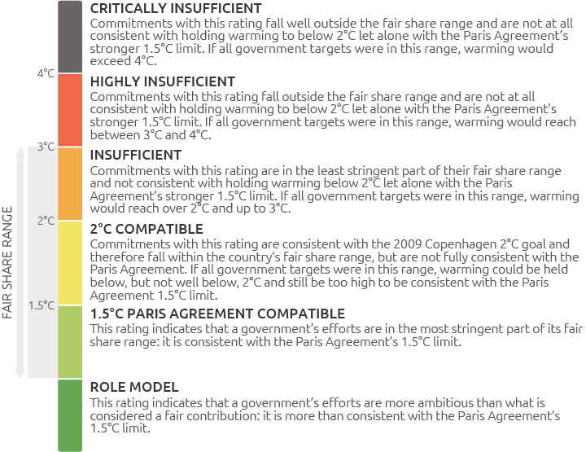
 |  | Upper end of | 2020 | 2025 | 2030 | 2050
 |  | Critically insufficient (end of graph) | 2,500 | 2,500 | 2,500 | 2,500
 |  | Highly insufficient | 1,511 | 1,652 | 1,641 | 1,788
 |  | Insufficient | 1,238 | 1,236 | 1,131 | 1,091
 |  | 2°C compatible | 1,034 | 924 | 749 | 569
 |  | 1.5°C compatible | 836 | 622 | 379 | 64
 |  | Role model | 556 | 196 | -143 | -649

